Comparison
Percentage of samples used | MDP + Reward | Uniform | Random(Average taken from 50 trials) | Entropy-based
100 | 0.8498 | 0.83115606936 | 0.821 | 0.83
98.5 | 0.84989592779 | 0.82139211137 | 0.82084757506 | 0.83
97.277925352 | 0.850040986 | 0.81916963227 | 0.82092699884 | 0.821
95 | 0.85013769147 | 0.81829476248 | 0.8211627907 | 0.821
92.206564315 | 0.85023439694 | 0.81737171464 | 0.82023974286 | 0.8204
89.901400207 | 0.85028274968 | 0.81666238768 | 0.81035169988 | 0.8208
86.32839584 | 0.85186236931 | 0.81906417112 | 0.82118343195 | 0.8212
83.216424294 | 0.85344198895 | 0.81389736477 | 0.80089846444 | 0.8216
77.799288641 | #N/A | 0.81169139466 | 0.80061349693 | 0.822
72.727927603 | #N/A | 0.80333333333 | 0.80253164557 | 0.81933333333
66.619242718 | #N/A | 0.80301559792 | 0.80184453228 | 0.81666666667
63.737787583 | 0.83923188406 | 0.79888829609 | 0.82126709373 | 0.81608922811
60.395299626 | 0.83229873278 | 0.79476099426 | 0.82068965517 | 0.81551178956
53.710323713 | 0.8253655815 | #N/A | #N/A | 0.81133333333
50.367835757 | 0.81843243022 | 0.7952688172 | #N/A | #N/A
44.950700104 | 0.81149927894 | 0.77218508997 | 0.81 | 0.80866666667
41.147179326 | 0.81456612766 | #N/A | 0.79 | #N/A
39.53356445 | 0.80456 | 0.77164113433 | 0.812 | 0.80866666667
36.882625726 | 0.79376667383 | 0.77109717868 | 0.81165402419 | 0.80866666667
25.353518527 | 0.78683352255 | 0.74448979592 | 0.79165178571 | #N/A
20.360091846 | 0.78990037127 | 0.74901554404 | 0.74585365854 | #N/A
17.749763631 | 0.78296721999 | 0.72071466857 | 0.72755278307 | #N/A
12.827697987 | 0.76603406871 | 0.6924137931 | 0.71224 | #N/A
9.6816892531 | 0.74910091743 | 0.63686746988 | 0.68 | 0.735
5.4171356535 | 0.72715730337 | 0.55 | 0.4 | 0.7215
4.0340371888 | 0.67647560976 | 0.5 | 0.3 | 0.6125
3.5730043672 | #N/A | #N/A | #N/A | 0.7035
1.0373238485 | #N/A | #N/A | #N/A | 0.17

paremeters space for energy<30%
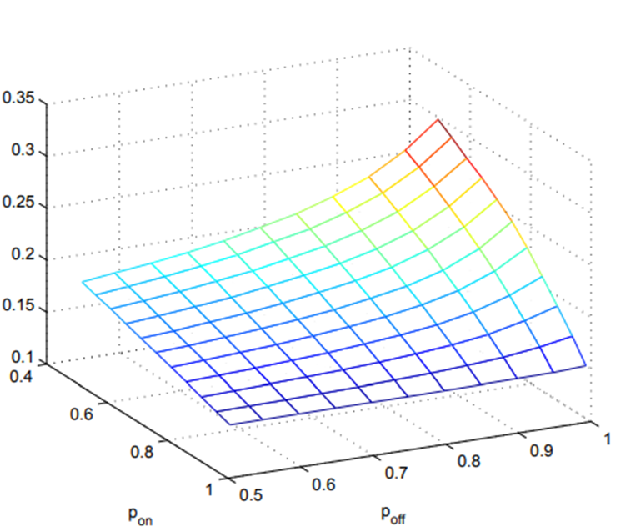
larger p(off) increases the battery lifetime

Sheet1
